23-BIGYF-190D-STD
BIKE CODE FOR ORDERS |  | 24-BIGY-190D-STD-XL | BIKE DESCRIPTION NAME | YCF BIGY-190D-XL 2024 | CONTROL STATUS
EFFECTED DATE(D/M/Y) |  | 25/1/2024 | VERSION | 2024A0

Handle bar assembly |  |  |  |  |  | AB
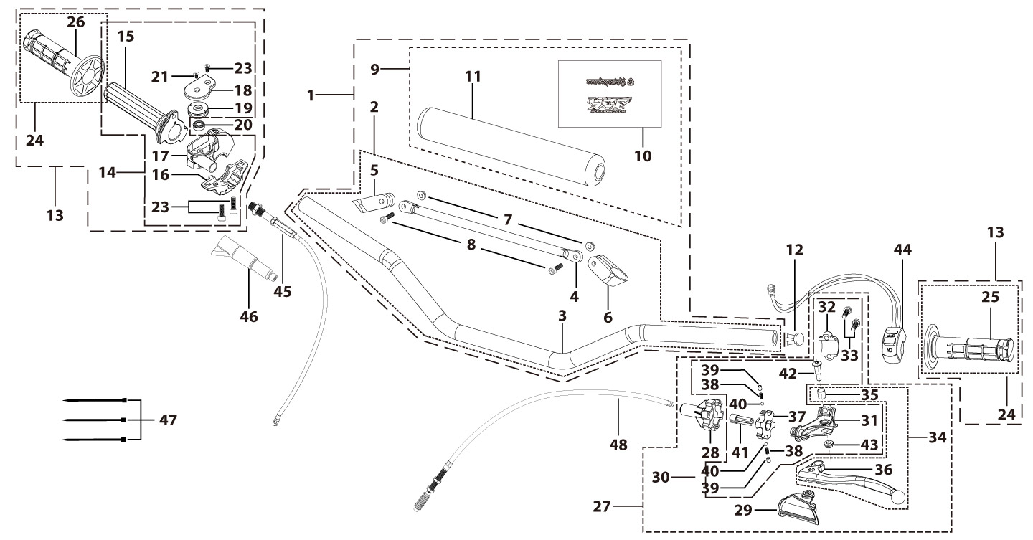
N° | Ref. | Description | Français | Picture | Qty/Bike | Rep. Pst.
1 | GA-02-BK | Aluminium handle bar ( with Black pad and pvc ) TWIN ALL L=760mm d=28.6mm SP3 Black | guidon alu complet avec mousse + Pvc L=760mm d=28.6mm SP3 2016 Noir |  | 1
2 | YC110-0101-1301-BK | Aluminium handle bar L=760mm d=28.6 mm SP3, with cross bar, no embossing, Black | Guidon aluminium BAS TWIN ALL Sans gaufrage L=760mm d=28.6 mm 2020 Noir |  | 1
8 | GB70-M6x20 | HEXAGON SOCKET Head Bolt, stainless steel, M6x20mm | Vis Allen (BTR)inox, M6x20mm |  | 2
9 | YC110-0133-01-BK | Complete Bar Pad for Chromolly Handlebar L=195mm SP3 Black-WHITE | Mousse guidon complete pour guidon Chromolly L=195mm SP3 Noir-BLANC |  | 1
12 | YC110-0153-01 | Handle bar plastic cap,Nylon,Black | Embout plastique de guidon,nylon,Noir |  | 1
13 | YC110-0138-03 | Complete Throttle Assy. (Without adjusting bolts)+set of grip ( YCF LOGO) GREY | Poignee gaz complete YCF 2020 avec Paire de poignée YCF GRIS 2020 |  | 1
21 | GB819-M4x12 | Countersunk cross head machine screw,stainless steel, M4x12mm | Vis à tête fraisée plate cruciforme,inox, M4x12mm |  | 1
22 | GB819-M4x20 | Countersunk cross head machine screw,stainless steel, M4x20mm | Vis à tête fraisée plate cruciforme,inox, M4x20mm |  | 1
23 | GB70-M6x20 | HEXAGON SOCKET Head Bolt, stainless steel, M6x20mm | Vis Allen (BTR)inox, M6x20mm |  | 2
24 | PPC011-GY | set of grip 2020 (YCF LOGO) Grey | Paire de poignée caoutchouc 2020 (YCF LOGO) GRISE |  | 1
27 | YC110-0135-02 | clutch adjustable complete bracket with lever 2020 GREY | Cocotte reglage rapide avec levier embrayage 2020 GRIS |  | 1
28 | YC110-0151-03 | Rubber on clutch lever adjustable screw 2020 | Caoutchouc levier embrayage molette reglage2020 |  | 1
29 | YC110-0136-02 | Rubber on clutch lever adjustable START | Caoutchouc levier embrayage reglable START |  | 1
30 | YC110-0134-04 | Clutch bracket Assy Aluminium 2020 GREY | Cocotte embrayage complete 2020 GRIS |  | 1
33 | BT08-M6x20-W | HEXAGON Torx screw with Flange M6x20mm | Vis HEXAGONALE Torx avec Flange M6x20mm |  | 2
34 | YC110-0103-07 | Clutch lever 2020 Aluminium (with FB13-8x10x10.5-Cu 1EA FB13-8x10x9.4-Cu 1EA FB20-10x16x1 1EA) complete with bushings | Levier embrayage 2020 Aluminium (avec FB13-8x10x10.5-Cu 1EA FB13-8x10x9.4-Cu 1EA FB20-10x16x1 1EA) avec entretoises |  | 1
42 | 27-06025B | Hex.bolt with flanged M6x25mm (Step M8x13mm) | vis M6x25mm (deport M8x13mm) |  | 1
43 | GB6177-06000B | HEXAGON FLAT FLANGE NUT M6 | ecrou cloche embrayage M6 pour Levier embrayage |  | 1
44 | YC110-0105-04 | Kill Switch ON/OFF L=710mm daytona ANIMA engine | Coupe circuit on off L=710mm pour daytona ANIMA |  | 1
45 | YC110-0106-15 | Throttle Cable L=960mm A+B=135mm | Cable gaz L=960mm A+B=135mm |  | 1
46 | YC110-0143-01 | Rubber on trottle cable | Protection caoutchouc cable de gas |  | 1
47 | YC110-01-03-BK | Cable tie,nylon, L=150mm Black | collier maintien cable, nylon, L=150mm Noir |  | 3
48 | YC110-0107-09 | Clutch Cable Assy. L=1000mm A+B=93mm, non-adjustable | Cable embrayage L=1000mm A+B=93mm,Non réglable |  | 1
Steering stem assembly |  |  |  |  |  | AB
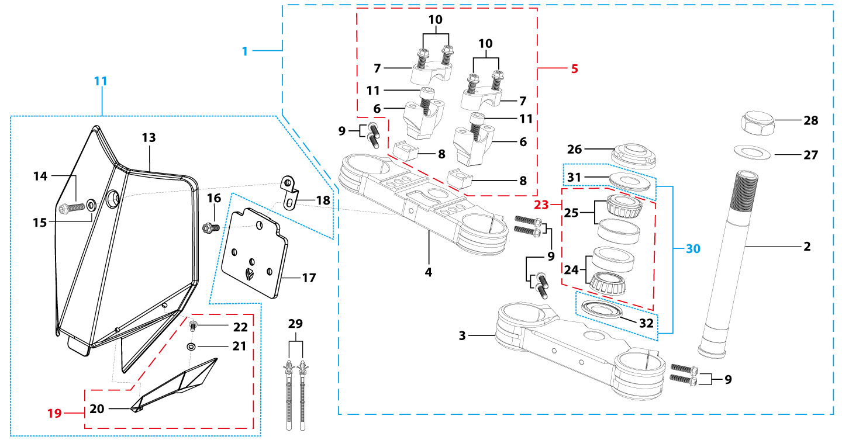
N° | Ref. | Description | Français | Picture | Qty/Bike | Rep. Pst.
1 | YC110-02-046-GY | Complete Triple Clamp L=160mm d=28mm TOP48 / BOTTOM 48 adjustable bar mount BIGYFD190 2022 MAT GREY 3 holes | Te Fourche Complet L=160mm d=28mm TOP48 / BOTTOM 48 pontet ajustable BIGYFD190 2022 Gris MAT 3 trous |  | 1
2 | YC110-0201-03 | Steering stem L=233mm | tige colonne direction L=233mm |  | 1
3 | YC110-0201-54-GY | Top Triple Clamp 160mm d48mm H=28mm BIGY190 2022 3 holes MATT GREY | té fourche supérieur 160mm d48mm H=28mm BIGY190 2022 3 trous Gris MAT |  | 1
4 | YC110-0202-54-GY | Lower triple clamp L=160mm d48mm H=38mm BIGY190 2020 MAT GREY | té fourche inferieur L=160mm d48mm H=38mm BIGY190 2020 GRIS MAT |  | 1
5 | YC110-0203-038 | Set of Bar mount d28.6mm / H=87mm SP3 2020(with GB70.1-M10x55-W 2EA+BT08-M8x30-W 4EA YC110-0222-03 2EA) Black | Jeu pontet guidon d28.6mm / H=87mm SP3 2020(avec GB70.1-M10x55-W 2EA+BT08-M8x30-W 4EA YC110-0222-03 2EA) Noir |  | 2
6 | YC110-0203-33 | Lower Bar Mount CNC d=28.6mm H=55mm SP3 2020 Black | Pontet guidon inférieur d=28.6mm H=55mm SP3 2020 Noir |  | 2
7 | YC110-0201-01 | Top bar mount CNC d=28.6mm H=22mm SP3 2020 Black | Pontet guidon supérieur d=28.6mm H=22mm SP3 2020 Noir |  | 2
8 | YC110-0222-03 | Lower Bar Mount Heightening block CNC 22mmx22mmx12mm adjustable Black | Cale 22mmx22mmx12mm |  | 2
9 | BT08-M6x25-W | HEXAGON Torx screw with Flange M6x25mm | Vis HEXAGONALE Torx avec Flange M6x25mm |  | 10
10 | BT08-M8x30-W | HEXAGON Torx screw with Flange M8x30mm | Vis HEXAGONALE Torx avec Flange M8x30mm |  | 4
11 | GB70.1-M10x55-W | Nut for brake pedal steel M10x55mm | Vis pour pédale frein acier M10x55mm |  | 2
12 | YC110-0212-09-BK | Front Number Plate BIGY 2017 complete BLACK | PLAQUE AVANT BIGY 2017 complete NOIR |  | 1
14 | BT08-M6x12-W | HEXAGON Torx screw with Flange M6x12mm | Vis HEXAGONALE Torx avec Flange M6x12mm |  | 1
15 | GB97-d6-W | Flat washer,steel d6mm | Rondelle plate,acier d6mm |  | 1
16 | GBT5787-M6x16-3-W | HEXAGON screw with Flange with half thread M6x16mmx3mm | Vis HEXAGONALE avec Flange et deport M6x16mmx3mm |  | 1
17 | YC110-0213-12 | Front plastic plate to hold cables 75mmx80mm | Plaque avant plastique maintien cables 75mmx80mm |  | 1
18 | YC110-0213-08 | Number plate bracket 18mmx55mm START 2014 | support plaque avant 18mmx55mm START 2014 |  | 1
19 | YC110-0214-01-WH | Complete Break Line Retainer (with GB818-M4x10-W 1EA+GB97-d4-W 1EA) White | guide durite avec vis sur plaque avant complet (avec GB818-M4x10-W 1EA+GB97-d4-W 1EA) Blanc |  | 1
21 | GB97-d4-W | Flat washer,steel d4mm | Rondelle plate,acier d4mm |  | 1
22 | GB818-M4x10-W | Pan / Round head cross machine screw M4x10mm | Vis à tête ronde cruciforme M4x10mm |  | 1
23 | KRDIRECTION46 | set of bearing for steering 46/23.5、46/22 | Kit rlt colonne direction 46/23.5、46/22 |  | 1
26 | YC110-02-09 | Top nut for steering,steel, d=54.5mm | écrou crantellé colonne direction steel d=54.5mm |  | 1
27 | YC110-02-10 | Washer for steering stem nut, stainless steel, d22mmxd37mmx0.7mm | joint colonne direction,inox, d22mmxd37mmx0.7mm |  | 2
28 | YC110-02-11 | Nut for steering stem,steel, M22x1.0mm | écrou supérieur colnne direction ,acier, M22x1.0mm |  | 1
29 | YC110-01-08-BK | Cable tie, PA66 L=80mm ADJUSTABLE Black | Collier maintien cable,PA66 L=80mm ADJUSTABLE Noir |  | 2
30 | YC110-02-20 | Washer for steering stem nut (topd22mm/47mm+ bottom d24mm/47mm) | joint colonne direction(hautd22mm/47mm+ bas d24mm/47mm) |  | 1
Front Fender |  |  |  |  |  | AB

N° | Ref. | Description | Français | Picture | Qty/Bike | Rep. Pst.
1 | YC110-032-10-BK | Front Fender BIGY 2020 Wide BLACK | gb avant BIGY 2020 Large NOIR |  | 1
3 | GBT5787-M6x16-6-W | Hex. Bolt with flanged M6x16mm (step 6mm) steel | Vis avec epaulement M6x16mm (deport 6mm) acier |  | 3
4 | GBT5787-M6x16-3-W | HEXAGON screw with Flange with half thread M6x16mmx3mm | Vis HEXAGONALE avec Flange et deport M6x16mmx3mm |  | 2
Front & Rear absorber |  |  |  |  |  | AB
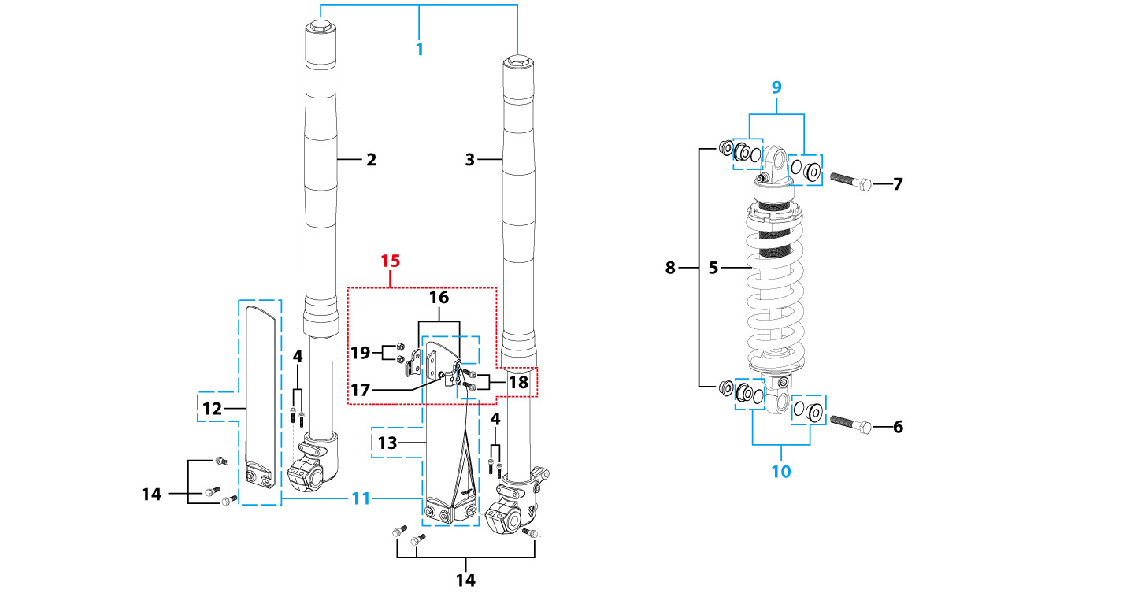
N° | Ref. | Description | Français | Picture | Qty/Bike | Rep. Pst.
1 | ENGI2-800-GY | Pair of fork ENGI L=800mm (Compression / Rebound adjustable) GREY / GOLD | Jeu de fourche (compression / detente reglable) L=800mm GRIS / GOLD |  | 1
2 | YC110-0401-22-GY | Front right fork L=800mm SP3 ENGI(Compression / Rebound adjustable) Grey (top silver, tubes gold colour) | tube fourche droit L=800mm GRIS / GOLD (compression / detente reglable ) 2023 |  | 1
3 | YC110-0402-22-GY | Front left fork ENGI L=800mm (Compression / Rebound adjustable) GREY / GOLD (tubes gold colour) | Tube fourche gauche L=800mm GRIS / GOLD (compression / detente reglable) |  | 1
4 | GB70-M6x16 | HEXAGON SOCKET Head Bolt, stainless steel, M6x16mm | Vis Allen (BTR)inox, M6x16mm |  | 4
5 | YC110-0404-69 | Shock absorber ENGI 355mmx800lbs RED | Amortisseur ENGI 355mmx800lbs ROUGE |  | 1
6 | GB5789-M12x45-W | HEXAGON screw with Flange M12x45mm | Vis HEXAGONALE avec Flange M12x45mm |  | 1
7 | GB5789-M12x60-W | HEXAGON screw with Flange M12x60mm | Vis HEXAGONALE avec Flange M12x60mm |  | 1
8 | GB6187-M12-W | HEXAGON FLAT FLANGE LOCK NUT M12mm steel | Ecrou HEXAGONAL avec Flange autobloquant M12mm acier |  | 2
9 | YC110-0427-02 | Shock top spacer d12mmxd14mmx6mmx10mm ENGI | Entretoise haut amortisseur d12mmxd14mmx6mmx10mm ENGI |  | 2
10 | YC110-0419-03 | Shock bottom spacer ENGI d12mmxd14mmx6x11mm (same for top/bottom) | Entretoise amortisseurbas / haut ENGI d12mmxd14mmx6x11mm |  | 2
11 | PFYCF12-BK | 735mm set of fork protection PP L=285mm Black | 735mm Jeu protection fourche PP L=285mm Noir |  | 1
14 | GBT5787-M6x14-5-W | Hex. Bolt with flanged M6x14mm (step 5 mm) steel | Vis avec epaulement M6x14mm (deport 5 mm ) acier |  | 6
15 | YC110-0403-05 | Complete Oil steel line retainer on left front fork PP START Black | Complet Passe durite sur protection fourche gauche PP START Noir |  | 1
18 | BT08-M6x20-W | HEXAGON Torx screw with Flange M6x20mm | Vis HEXAGONALE Torx avec Flange M6x20mm |  | 2
19 | GB6170-M6-W | HEXAGON Nut M6mm steel | Ecrou HEXAGONAL M6mm acier |  | 2
Front Brake Assy |  |  |  |  |  | AB
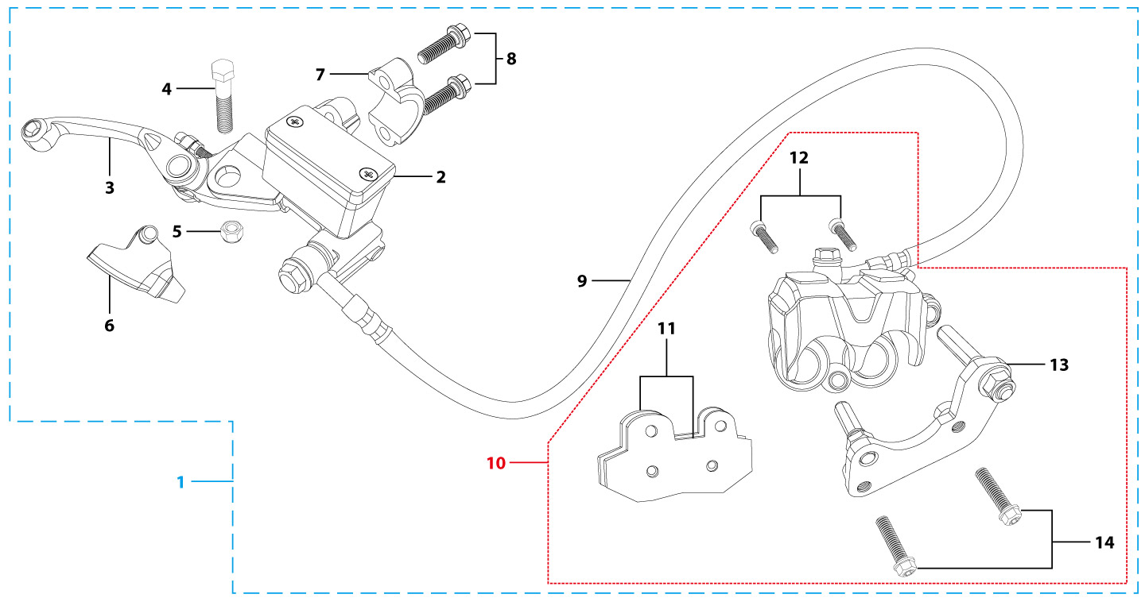
N° | Ref. | Description | Français | Picture | Qty/Bike | Rep. Pst.
1 | YC110-0501-3101 | Front brake assy 2 pumps L=1170mm d10mm/d10mm w/t asbestos 2020 | Kit frein avant 2 pistons avec gaine plastic Noire L=1170mm d10mm/d10mm sans amiante 2020 |  | 1
2 | YC110-0501-0104-03 | Front Brake Reservoir for 2 pump piston d10mm PILOT 2020 | Maitre cylindre frein avant pour étrier 2 pistons d10mm PILOT 2020 |  | 1
3 | YC110-0517-01 | Front brake lever for 2 pump brake adjustable | levier frein ajustable |  | 1
4 | HB06-M6x30-G | Hex.bolt with flanged M6x30mm (Step M8x15mm) front front brake lever | vis M6x30mm (deport M8x15mm) |  | 1
5 | GB6184-M6-G | HEXAGON FLAT NYLON LOCK NUT M6-G | Ecrou HEXAGONAL autobloquant nylon M6-G |  | 1
6 | YC110-0515-01 | rubber for brake lever | caoutchouc levier frein avant |  | 1
8 | BT08-M6x25-W | HEXAGON Torx screw with Flange M6x25mm | Vis HEXAGONALE Torx avec Flange M6x25mm |  | 2
9 | YC110-0501-0327 | Front brake oil steel line L=1170mm d10mm/d10mm Black 2020 with caps | Durite frein avant L=1170mm d10mm/d10mm Noir 2020 avec capuchon |  | 1
10 | YC110-0501-0207 | Front Brake caliper for 2 pump w/t abestos d10mm | étrier frein avant double pistons sans amiante d10mm |  | 1
11 | YC110-0501-0416 | Front Brake pads for double pump brake with copper substrate SP3 | jeu plaquette frein avant pour frein 2 pistons SANS AMIANTE SP3 |  | 2
12 | YC110-1255-03 | caliper screw for front brake L=45mm Army green | vis plaquette frein avant L=45mm |  | 1
13 | YC110-0501-037 | Bracket for front brake SP2/SP3 | Patte frein avant etrier SP2/SP3 |  | 1
14 | BT08-M6x30-W | HEXAGON Torx screw with Flange M6x30mm | Vis HEXAGONALE Torx avec Flange M6x30mm |  | 2
Front Wheel Assy |  |  |  |  |  | AB
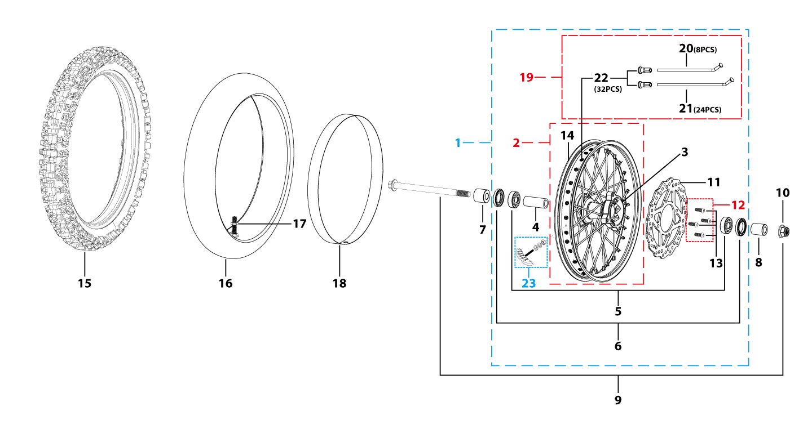
N° | Ref. | Description | Français | Picture | Qty/Bike | Rep. Pst.
1 | YC110-0601-33-BK | Complete ALUMINIUM 7116 Front wheel 1.6x19' with disk 220mm CNC hub Black / Black Rim - NTN BEARINGS 6003 2021 8K | Roue avant complète ALUMINIUM 7116 1.6x19' avec disque 220mm moyeux CNC Noir / Jante NoirE - ROULEMENTS NTN 6003 2021 8K |  | 1
3 | YC110-0622-22-BK | YCF Front hub CNC YCF 2021 Black (SPOKES 4 mm - 8K) | Moyeux avant CNC YCF Noir 2021 (RAYONS 4 mm -8K) |  | 1
4 | YC110-0607-03 | Front axle bushing d17mmxd22mmx46mm | Entretoise central roue avant d17mmxd22mmx46mm |  | 1
5 | 6003 | Ball bearing NTN 6003 d35mmxd17mmx10mm | Roulement roue NTN 6003 d35mmxd17mmx10mm |  | 2
6 | YC110-0611 | OIL SEAL d23mmxd35mmx5mm | joint spy roue d23mmxd35mmx5mm |  | 2
7 | YC110-06-048 | Front wheel spacer right, Aluminium, Black d15mmxd22mmx37mm with STEP d15mmxd17mmx14mm And d15mmx19.4mmx4mm | Entretoise roue avant droite,Aluminium,Noir, d15mmxd22mmx37mm avec epaulement d15mmxd17mmx14mm And d15mmx19.4mmx4mm |  | 1
8 | YC110-06-056 | Front wheel spacer left aluminium Black d15mmxd22mmx47mm with STEP d15mmxd17mmx14mm | Entretoise roue avant gauche aluminium Noir d15mmxd22mmx47mm with step d15mmxd17mmx14mm |  | 1
9 | YC110-06-061 | Front Axle d15mm L=215 mm with Self-locking nut M14 | axe de roue avant d15mm L=215 mm avec ecrou M14 |  | 1
10 | GB6187-M14-W | HEXAGON FLAT FLANGE LOCK NUT M14 steel | Ecrou HEXAGONAL avec Flange autobloquant M14 acier |  | 1
11 | YC110-1115-07 | Front disk d220mm (Screw hole d10.5mm) 2020 | disque frein avant d220mm (Trou de vis d10.5mm) 2020 |  | 1
12 | KVD-01 | Disk screws kit (contain GB70.2-M8x20-Cr 4EA) | KIT VIS DISQUE M8x20 (lot 4) |  | 1
14 | YC110-0617-42-BK | ALUMINIUM 7116 Rim for Front wheel 1.6x19' 7116 Black 2022 8K | Cerceau roue av 1.6x19' ALUMINIUM 7116 Noir 2022 8K |  | 1
15 | 70/100-19P51 | YUANXING P51 Front Tyre 70/100-19' | Pneu avant Yuanxing 70/100-19' P51 |  | 1
16 | CHAMBRE19AV | Tube BNT 70/100-19 for 70/100-19' tyre | Chambre air BNT 70/100-19 pour pneu 70/100-19' |  | 1
18 | YC110-06-08 | tire lining for 20'x30 | fond jante av 20'x30 |  | 1
19 | JR19-21.3-8K | set of front spoke 1.60x19' (213mmx16+208mmx16) 8K(4.0mm) | Jeu rayon avant 1.60x19' (213mmx16+208mmx16) 8K(4.0mm) |  | 1
23 | GRIPSTERAV-R | Reinforced gripster - 1.40 | Gripster renforce - 1.40 |  | 1
Fuel Tank |  |  |  |  |  | AB
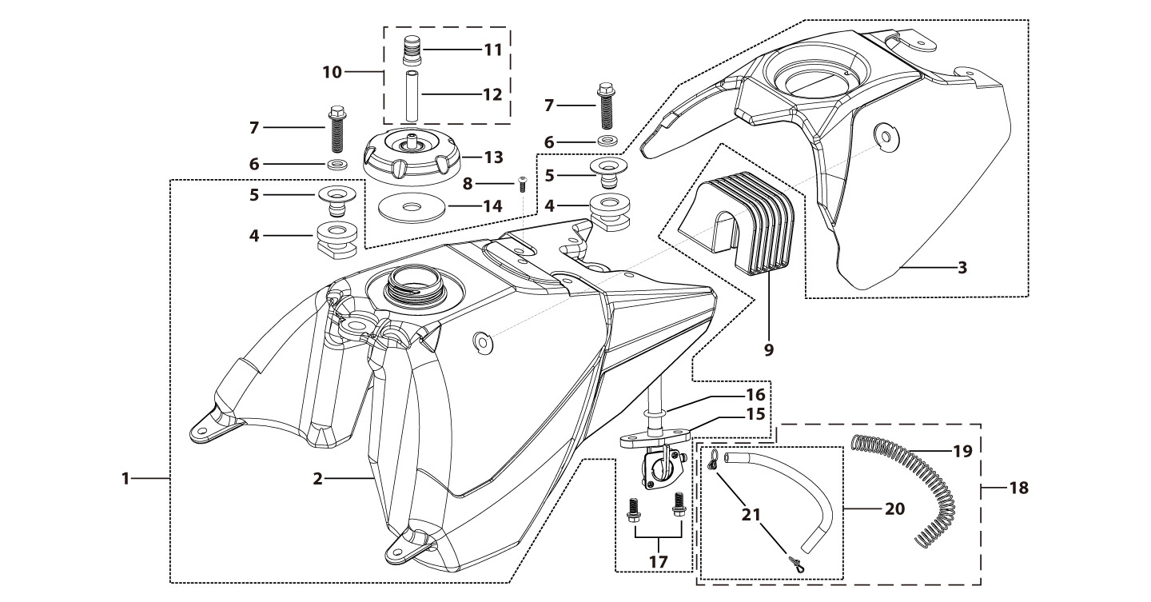
N° | Ref. | Description | Français | Picture | Qty/Bike | Rep. Pst.
1 | YC110-0718-03 | Complete fuel tank BIGY with grain 2023(with YC110-07-01 2EA+YC110-07-02 2EA) | Reservoir complet BIGY avec finition granulee 2023(avec YC110-07-01 2EA+YC110-07-02 2EA) |  | 1
2 | YC110-0701-04 | Fuel tank BIGY | Reservoir BIGY |  | 1
3 | YC110-0719-01 | Reservoir cover Bigy Black with grain | Couvercle Reservoir Bigy Noir avec finition granulee |  | 1
6 | YC110-0726-01 | Bushing d6.5mmxd9.5mmx5mm for seat fixation | Entretoise d6.5mmxd9.5mmx5mm pour fixation selle Bigy |  | 2
7 | BT08-M8x30-W | HEXAGON Torx screw with Flange M8x30mm | Vis HEXAGONALE Torx avec Flange M8x30mm |  | 2
8 | GB70.2-M6*12-G | Pan head hexagon screw M6x12mm-G | Vis à tête ronde Allen (BTR) M6x12mm-G |  | 1
9 | YC110-0722-01 | Fixing rubber block Fuel tank BIGY | Maintient Caoutchuc reservoir Bigy |  | 1
10 | YC125-0704-BK | Fuel tank valve complete L=40mm Black | Valve prise air complete L=40mm Noir |  | 1
13 | YC110-0702-01 | Tank cap plastic Ventilator d3mm | Bouchon reservoir plastique YCF d3mm |  | 1
15 | YC110-0703 | Fuel cock assy. | robinet essence |  | 1
17 | BT08-M6x12-W | HEXAGON Torx screw with Flange M6x12mm | Vis HEXAGONALE Torx avec Flange M6x12mm |  | 2
18 | YC110-0706 | fuel tank rubber line spring d4.5mmxd8.5mmx210mm | durite reservoir avec ressort d4.5mmxd8.5mmx210mm |  | 1
Air Filter |  |  |  |  |  | AB
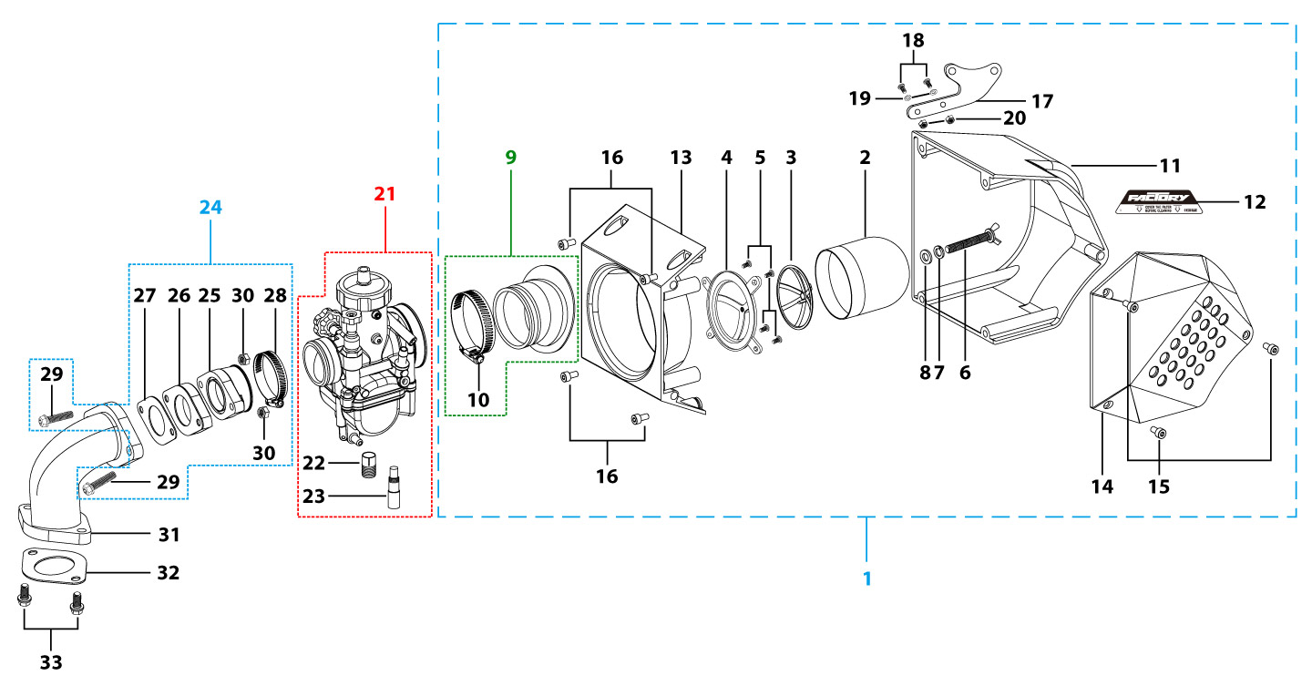
N° | Ref. | Description | Français | Picture | Qty/Bike | Rep. Pst.
1 | YC110-08-04 | Air box assy 2016 d18mm with YCF LOGO | Boite a air complete 2016 d18mm avec YCF LOGO |  | 1
2 | YC110-0817-03 | Air filter Foam DOUBLE THICKNESS BLUE | Mousse filtre a air DOUBLE EPAISSEUR BLEU |  | 1
3 | YC110-08-012 | Top support for YCF air filter foam | support exterieur pour mousse filtre a air YCF |  | 1
4 | YC110-08-01301 | Inside support for YCF air filter foam 2020 | support interieur pour mousse filtre a air YCF 2020 |  | 1
5 | GB70.2-M5x10-Cr | Pan head hexagon screw M5x10mm Cr | Vis à tête ronde Allen (BTR) M5x10mm Cr |  | 4
6 | GB62-M6x30-W | Butterfly screw M6x30mm for top support | vis M6x30mm pour fixation support exterieur |  | 1
7 | GB93-d6 | Spring Lock Washers d6mm inox | Rondelle a ressort d6mm inox |  | 1
8 | GB97-d6-W | Flat washer,steel d6mm | Rondelle plate,acier d6mm |  | 1
9 | YC110-08-0171 | Air box Rubber connexion d49mm H=55mm for Kehin PE28 carb(with YC110-0805 1EA） | Manchon boite a air d49mm H=55mm pour carbu Kehin PE28(avec YC110-0805 1EA） |  | 1
10 | YC110-0805-04 | Holding ring d40mm-d60mm | collier FILTRE d40mm-d60mm |  | 1
15 | GB70-M4x20 | HEXAGON SOCKET Head Bolt, stainless steel, M4x20mm | Vis Allen (BTR)inox, M4x20mm |  | 3
16 | GB70-M5x20 | HEXAGON SOCKET Head Bolt, stainless steel, M5x20mm | Vis Allen (BTR)inox, M5x20mm |  | 4
17 | YC110-0825-02 | Support of Air box BIGY Black | Support Boite a air acier BIGY Noir |  | 1
18 | GB70.2-M6x20 | Pan head hexagon screw M6x20mm inox | Vis à tête ronde Allen (BTR) M6x20mm inox |  | 2
19 | GB97-d6-W | Flat washer,steel d6mm | Rondelle plate,acier d6mm |  | 2
20 | GB6189-M6-W | HEXAGON NUT M6 | Ecrou Hexagonal M6 |  | 2
21 | PE28SP | NIBBI Carburetor PE28 (Sport version) | NIBBI Carburetor PE28 (Sport version) |  | 1
22 | LK-PE-115 | Main Jet 115 PE Nibbi | Gicleur principal 115 PE Nibbi |  | 1
23 | LK-FLK-42 | Slow Jet 42 FLK Nibbi | Gicleur ralenti 42 FLK Nibbi |  | 1
24 | 46758 | RUBBER MANIFOLD SET（with YC50-0803 1EA+YC110-2029 1EA+GB70-M6x20-B 2EA） | Manchon pipe admission Daytona （with YC50-0803 1EA+YC110-2029 1EA+GB70-M6x20-B 2EA） |  | 1
25 | YC110-2030 | RUBBER MANIFOLD SET | Manchon pipe admission Daytona |  | 1
26 | F00C039 | carburettor isolating gasket d27.5mm | joint plastique carburateur d27.5mm |  | 1
27 | YC110-2029 | YCF carburettor paper gasket | joint papier carburateur |  | 1
28 | YC50-0803-01 | Holding ring d25mm-d40mm | collier FILTRE d25mm-d40mm |  | 1
29 | BT08-M6x20-W | HEXAGON Torx screw with Flange M6x20mm | Vis HEXAGONALE Torx avec Flange M6x20mm |  | 2
30 | GB6170-M6-W | HEXAGON Nut M6mm steel | Ecrou HEXAGONAL M6mm acier |  | 2
31 | 17311-6 | INLET PIPE ,Pro ANIMA 150 for PE28 | PIPE ADMISSION PE28 |  | 1
32 | 17332/152FMH01 | Intake Gasket | JT PAPIER PIPE ADMISSION |  | 1
33 | BT08-M6x30-W | HEXAGON Torx screw with Flange M6x30mm | Vis HEXAGONALE Torx avec Flange M6x30mm |  | 2
Foot Peg assy |  |  |  |  |  | AB
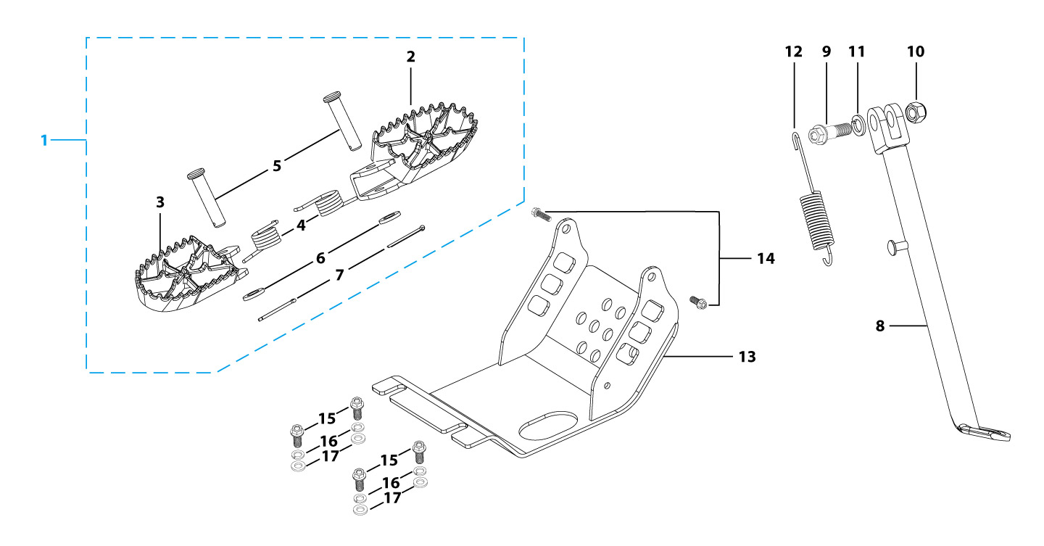
N° | Ref. | Description | Français | Picture | Qty/Bike | Rep. Pst.
1 | YC110-0902-05 | Inox foot pegs set Large | Jeu repose pied inox Large |  | 1
4 | YC110-0906 | Spring for inox foot peg (left/right) d2mmxd16mmx35mm | ressort repose pied (droit/gauche) inox d2mmxd16mmx35mm |  | 2
5 | GB882-d8x45 | shaft pin for inox footpegs d8mmx45mm | axe repose pied inox d8mmx45mm |  | 2
6 | GB97-d8-W | Flat washer,steel d8mm | Rondelle plate,acier d8mm |  | 2
7 | GB91-d2x25-W | Split pin d2.0mmx25mm | Goupille d2.0mmx25mm |  | 2
8 | YC110-0904-07 | Kick stand L=340mm Black | bequille L=340mm Noir |  | 1
9 | FB02-M10x1.5x30I | Stepped screw M10x35mm for kick stand (step 1.5) | vis bequille M10x35mm (pas1.5) |  | 1
10 | GB6172-M10-G | HEXAGON Nut M10 for #17 sleeve | Ecrou HEXAGONAL M10 for #17 sleeve |  | 1
11 | GB93-d10-W | Spring Lock Washers d10mm | Rondelle a ressort d10mm |  | 1
12 | YC110-19-01 | spring for kick stand d2.5mmxd15mmx105mm | ressort bequille d2.5mmxd15mmx105mm |  | 1
13 | YC110-207-05 | Engine skid plate Steel SP3 2014 T=3mm Black #2 | SABOT ACIER SP3 2014 T=3mm Noir #2 |  | 1
14 | BT08-M6x16-W | HEXAGON Torx screw with Flange M6x16mm | Vis HEXAGONALE Torx avec Flange M6x16mm |  | 2
15 | BT08-M8x25-W | HEXAGON Torx screw with Flange M8x25mm | Vis HEXAGONALE Torx avec Flange M8x25mm |  | 4
16 | GB93-d8-W | Spring Lock Washers d8mm | Rondelle a ressort d8mm |  | 4
17 | GB97-d8-W | Flat washer,steel d8mm | Rondelle plate,acier d8mm |  | 4
Swing Arm assy |  |  |  |  |  | AB
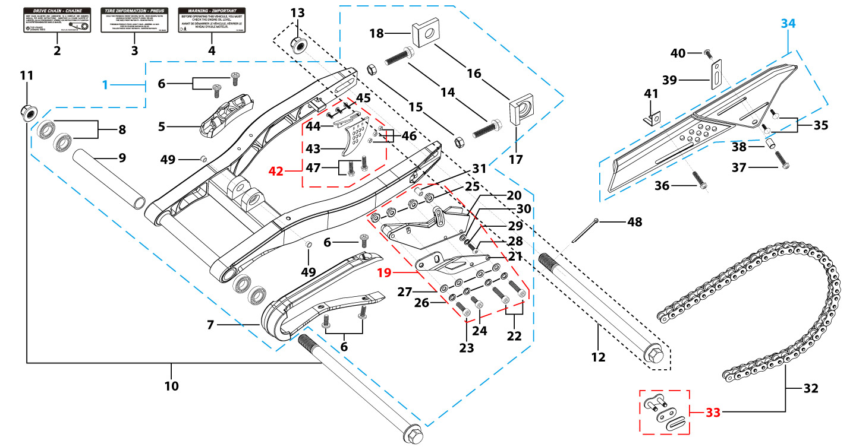
N° | Ref. | Description | Français | Picture | Qty/Bike | Rep. Pst.
1 | YC110-1001-2301 | YCF Mono swing arm aluminium 490mm BIGY 2023 d15mm (177 mm) CNC with stainless steel plate | Bras oscillant mono YCF aluminium 490mm BIGY 2023 d 15 mm (177mm) CNC avec plaque en acier inoxydable |  | 1
5 | YC110-10-015-BK | Rear brake hose guide 2020 Black | Passe durite de frein arriere sur bras oscillant 2020 Noir |  | 1
6 | DIN7985-M6x16 | Screw M6x16mm inox | Vis M6x16mm inox |  | 5
7 | YC110-10-026 | Chain slider for Steel swing arm PU PILOT/SP/BIGY/SUNDAY/MINI GP | patin chaine court pour bras Acier PU PILOT/SP/BIGY/SUNDAY/MINI GP |  | 1
8 | 6902-NTN | Swing arm ball bearing 6902NTN d15mmxd28mmx7mm | Roulement bras oscillent NTN 6902 d15mmxd28mmx7mm |  | 4
9 | YC110-1007-10 | Central spacer swing arm Aluminium BIGY/PILOT/SM d16mmxd20mmx149mm | Entretoise centrale de bras oscillent BIGY/PILOT/SM d16mmxd20mmx149mm |  | 1
10 | YC110-1009-01 | Swing arm shaft with self lock nut M14 L=240mm d15 | axe bras oscillant d15 avec ecrou M14 L=240mm |  | 1
11 | GB6187-M14-W | HEXAGON FLAT FLANGE LOCK NUT M14 steel | Ecrou HEXAGONAL avec Flange autobloquant M14 acier |  | 1
12 | YC110-11-075 | Rear wheel axle L=230mm d15mm with Self locking nut M14, with d3mm hole | axe roue arriere L=230mm d15mm avec ecrou M14, avec d3mm trou |  | 1
13 | GB6187-M14-W | HEXAGON FLAT FLANGE LOCK NUT M14 steel | Ecrou HEXAGONAL avec Flange autobloquant M14 acier |  | 1
14 | GB5783-M8x40-W | Hexagon Head Bolt with full thread M8 x40mm | Vis a tete HEXAGONALE M8 x40mm |  | 2
15 | FB6170-M8-W | Hex. Nut M8 | ecrou tendeur chaine M8 |  | 2
16 | YC110-11-095-SI | Set of Block axle SPI/SPII/SPIII/BIGY F150Mx/FD190Mx SILVER | Jeu tendeur chaine SPI/SPII/SPIII/BIGY F150Mx/FD190Mx SILVER |  | 1
19 | YC110-1018-04 | YCF chain reinforced guide assy for top of the rage models Black SP3 | guide chaine YCF renforce pour haut de gamme Noir SP3 |  | 1
22 | GB70-M6x50 | HEXAGON SOCKET Head Bolt , stainless steel, M6x50mm | Vis Allen (BTR) inox,M6x50mm |  | 2
23 | GB70-M6x30 | HEXAGON SOCKET Head Bolt, stainless steel, M6x30mm | Vis Allen (BTR)inox, M6x30mm |  | 1
24 | GB70-M6x20 | HEXAGON SOCKET Head Bolt, stainless steel, M6x20mm | Vis Allen (BTR)inox, M6x20mm |  | 1
25 | GB6177-M6-W | HEXAGON FLAT FLANGE NUT M6 steel | Ecrou HEXAGONAL avec Flange M6 acier |  | 4
26 | GB93-d6-W | Spring Lock Washers d6mm | Rondelle a ressort d6mm |  | 4
27 | GB97-d6-W | Flat washer,steel d6mm | Rondelle plate,acier d6mm |  | 4
28 | GB70.2-M5x16 | Pan head hexagon screw M5x16mm inox | Vis à tête ronde Allen (BTR) M5x16mm inox |  | 1
29 | GB93-d5 | Spring Lock Washers d5mm inox | Rondelle a ressort d5mm inox |  | 1
30 | GB97-d5-W | Flat washer,steel d5mm | Rondelle plate,acier d5mm |  | 1
30 | 420H-120T | Chain 420H-120T, normal | chaine 420H-120T maillons standard |  | 1
33 | AR-420DX | Chain link H=17mm extra strong | Attache rapide chaine H=17mm renforcee |  | 1
34 | YC110-1028-02 | Chain box protection | Protection chaine plastique |  | 1
35 | SC17-M8x20-B | Rivet Plastic Black M8x20mm for Chain box protection | Rivet plastique M8x20 pour fixation de la Protection chaine plastique M8x20mm |  | 2
36 | GB5787-M6x10-W | HEXAGON screw with Flange M6x10mm steel | Vis HEXAGONALE avec Flange M6x10mm acier |  | 1
37 | GB5787-M6x16-W | HEXAGON screw with Flange M6x16mm steel | Vis HEXAGONALE avec Flange M6x16mm acier |  | 1
38 | FB13-7x12x5.5 | Bushing d7mmxd12mmx5.5mm for Chain box protection | Entretoise d7mmxd12mmx5.5mm pour Protection chaine plastique |  | 1
39 | YC110-0213-0401 | Number plate bracket long TOP 2020 | Support plaque avant 2020 |  | 1
40 | GB818-M6x12-W | Pan / Round head cross machine screw M6x12mm | Vis à tête ronde cruciforme M6x12mm |  | 1
41 | YC110-0600-021 | Chain box protection support (front) | Support avant Protection chaine plastique |  | 1
42 | YC110-1024-04 | YCF rear disk protection SP3 Black (plasti part) | Protection de disque arriere YCF SP3 Noir (partie plastique) |  | 1
45 | GB819-M6x16-W | Countersunk cross head machine screw,steel, M6x16mm | Vis à tête fraisée plate cruciforme ,acier,M6x16mm |  | 3
46 | GB6177-M6-W | HEXAGON FLAT FLANGE NUT M6 steel | Ecrou HEXAGONAL avec Flange M6 acier |  | 3
47 | GB5787-M6x12-W | HEXAGON screw with Flange M6x12mm steel | Vis HEXAGONALE avec Flange M6x12mm acier |  | 2
48 | GB91-d2x35-W | Split pin d2mmx35mm | Goupille d2mmx35mm |  | 1
49 | YC110-1001-021 | Spacer for swing arm d12mmxd16mmxd24mmx10mm | Entretoise bras oscillant/amorto d12mmxd16mmxd24mmx10mm |  | 2
Rear Wheel Assy |  |  |  |  |  | AB
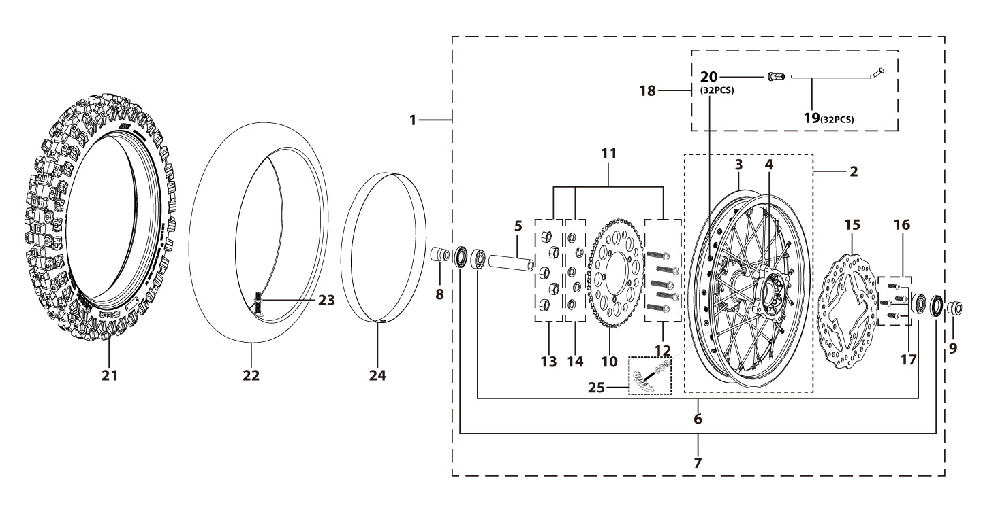
N° | Ref. | Description | Français | Picture | Qty/Bike | Rep. Pst.
1 | YC110-1101-71-BK | Complete ALUMINIUM Rear wheel 2.15x16' with disk and sprocket CNC Black hub Black Rim 2023 8K | Roue arriere complète ALUMINIUM 2.15x16' avec disque et couronne, moyeux cnc Noir / Jante NoirE 2023 8K |  | 1
3 | YC110-1107-55-BK | ALUMINIUM 7116 Rim for Rear wheel 2.15x16' 7116 Black 20228K | Cerceau roue arrier 2.15x16' ALUMINIUM 7116 Noir 2022 8K |  | 1
4 | YC110-1122-16-BK | YCF Rear hub CNC Black 2021 (SPOKES 4 mm - 8K) | Moyeux arriére CNC 2021 Noir (RAYONS 4 mm -8K) |  | 1
5 | YC110-1109-07 | Rear hub axle bushing 6061 d17mmxd25mmx67mm | entretoise intérieur moyeux arrière 6061 d17mmxd25mmx67mm |  | 1
6 | 6003 | Ball bearing NTN 6003 d35mmxd17mmx10mm | Roulement roue NTN 6003 d35mmxd17mmx10mm |  | 3
7 | YC110-0611 | OIL SEAL d23mmxd35mmx5mm | joint spy roue d23mmxd35mmx5mm |  | 2
8 | YC110-11-047 | Rear wheel spacer right d15mmxd22mmx43mm with step d15mmxd17mmx14mm | Entretoise roue arriere droite d15mmxd22mmx43mm step d15mmxd17mmx14mm |  | 1
9 | YC110-11-057 | Rear wheel spacer left 6061 d15mmxd22mmx63mm with step d15mmxd17mmx25mm | Entretoise roue arriere gauche 6061 d15mmxd22mmx63mm step d15mmxd17mmx25mm |  | 1
10 | YC110-11-062/45 | YCF Driven sprocket 420-45T 5 holes | Couronne acier 420-45T YCF 5 trous |  | 1
11 | KVC-2 | Rear sprocket screws kit M8x30mm (set of 5) (BT08-M8x30-W+GB6189-M8-W+GB93-d8-W) | Kit vis fraisees M8x30 (lot de 5) (BT08-M8x30-W+GB6189-M8-W+GB93-d8-W) |  | 1
15 | YC110-1115-06 | Rear disk d200mm d10.5mm 2020 | disque frein arriere d200mm d10.5mm 2020 |  | 1
16 | KVD-01 | Disk screws kit (contain GB70.2-M8x20-Cr 4EA) | KIT VIS DISQUE M8x20 (lot 4) |  | 1
18 | JR16-175-8K | Set of spoke 2.15x16' rear wheel Casting hub (175mmx32)8K（4.0mm） | jeu rayon arrière 2.15x16' (175mmx32)8K（4.0mm） |  | 1
21 | 90/100-16P52 | YUANXING P52 Rear Tyre 90/100-16' | Pneu arriere Yuanxing 90/100-16' P52 |  | 1
22 | CHAMBRE16AR | Tube BNT 90/100-16 for 90/100-16' tyre | Chambre air BNT 90/100-16 pour pneu 90/100-16' |  | 1
24 | YC110-11-06 | tire lining 20x14' | fond jante 20x14' |  | 1
25 | GRIPSTERAR-R | Reinforced gripster - 1.85 | Gripster renforce - 1.85 |  | 1
REAR BRAKE |  |  |  |  |  | AB
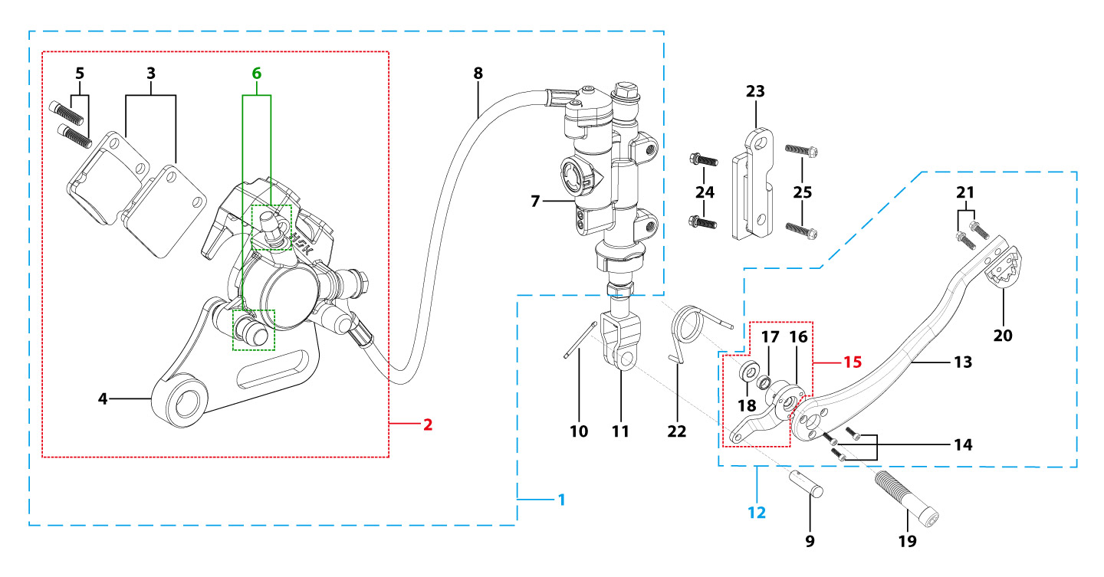
N° | Ref. | Description | Français | Picture | Qty/Bike | Rep. Pst.
1 | YC110-1212-09 | Rear brake aasy 1 piston W/T asbestos d10mm/d10mm L=535mm 2023 DOT4 | Kit frein arriere 1 piston avec gaine plastic SANS AMIANTE d10mm/d10mm L=535mm 2023 |  | 1
2 | YC110-1201-07 | Rear Caliper 1 pistons d10 | étrier frein arrière 1 piston d10 |  | 1
3 | YC110-1204-02 | Friction pad for 1 piston brake w/t abestos with copper substrate SP2 | plaquette frein arrière 1 piston AMIANTE SP2 |  | 2
4 | YC110-1201-09 | Rear brake bracket SP3 | patte fixation étrier frein arriere SP3 |  | 1
5 | YC110-1255 | caliper screw for front brake L=38mm Army green | vis plaquette frein avant L=38mm |  | 2
6 | YC110-120111 | rubber for rear caliper SP2/SP3 | jeu de caoutcgouc d'etrier frein arriere SP2/SP3 |  | 1
7 | YC110-1201024 | Rear reservoir d10mm（with stick L=42.5mm） | maitre cylindre frein arrière avec embout durite d10mm （with stick L=42.5mm） |  | 1
8 | YC110-1201065 | Oil steel tube L=535mm d10mm/d10mm BIGY F150 -XL/ FD190 -XL 2023 oil connection 85° | Durite frein arrière L=535mm d10mm/d10mm BIGY F150 -XL/ FD190 -XL 2023 oil connection 85° |  | 1
9 | GB882-d7x19-W | Pin shaft d7mmx19mm | axe d7mmx19mm |  | 1
10 | GB91-d1.6x16-W | Split pin d1.6mmx16mm | Goupille d1.6mmx16mm |  | 1
11 | YC110-1232-01 | Brake Clevis | Embout Maitre Cylindre de Frein Arriere |  | 1
12 | YC110-219-03 | complete brake pedal CNC -20mm (WITH：YC110-1223-02 2EA+BT08-M6x25 2EA+YC110-1222-01 1EA+GB70.1-M10x35-W 1EA+GB70-M5x10 3EA+FB20-10x14x2-W 1EA） | Pedale de frein complete CNC-20mm (WITH：YC110-1223-02 2EA+BT08-M6x25 2EA+YC110-1222-01 1EA+GB70.1-M10x35-W 1EA+GB70-M5x10 3EA+FB20-10x14x2-W一个） |  | 1
14 | GB70-M5x12 | HEXAGON SOCKET Head Bolt, stainless steel, M5x12mm | Vis Allen (BTR)inox, M5x12mm |  | 3
15 | YC110-1222-01 | Brake pedal fixation for Aluminium pedal with bearing Black | Cylindre pédale de frein Aluminium "externe" Noir avec roulements |  | 1
19 | GB70.1-M10x35-B | Nut for brake pedal M10x35mm Black | vis pour pédale frein M10x35mm Noir |  | 1
20 | YC110-1223-02 | Aluminium brake pedal end cap 2020 | embout pédale de frein Aluminium 2020 |  | 1
21 | BT08-M6x16-W | HEXAGON Torx screw with Flange M6x16mm | Vis HEXAGONALE Torx avec Flange M6x16mm |  | 2
22 | YC110-21-06 | Spring for ALUMINIUM brake pedal d38 | Ressort pour pédale de frein ALUMINIUM d38 |  | 1
23 | YC110-1215-07 | Mount for rear break reservoir "extern" H=23mm | fixation maitre cylindre frein arriere "externe" H=23mm |  | 1
24 | BT08-M6x16-W | HEXAGON Torx screw with Flange M6x16mm | Vis HEXAGONALE Torx avec Flange M6x16mm |  | 2
25 | BT08-M6x12-W | HEXAGON Torx screw with Flange M6x12mm | Vis HEXAGONALE Torx avec Flange M6x12mm |  | 2
Exhaust system |  |  |  |  |  | AB
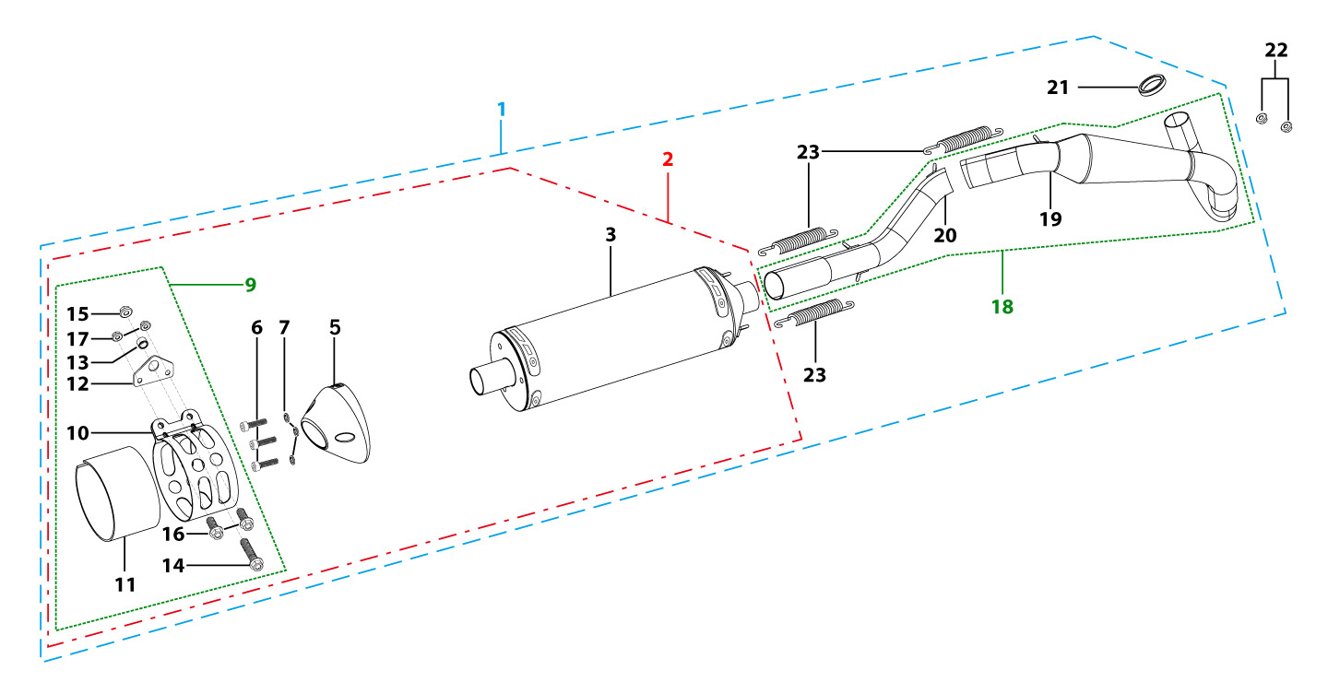
N° | Ref. | Description | Français | Picture | Qty/Bike | Rep. Pst.
1 | YC110-140-01-GY | Muffler& Exhaust pipe assy RACING BIGYsingle Muffler Grey | Echapement Racing Complet YCF RACING BIGY Simple Gris |  | 1
2 | YC110-13014-02 | YCF Muffler SP2/SP3 (2 springs) 2015 | Silencieux YCF Antibruit |  | 1
5 | YC110-13-35 | Muffler end cap SPII | Embout silencieux racing SPII |  | 1
6 | GB70-M5x18-W | HEXAGON SOCKET Head Bolt,steel, M5x18mm | Vis Allen (BTR),acier, M5x18mm |  | 3
7 | GB93-d5 | Spring Lock Washers d5mm inox | Rondelle a ressort d5mm inox |  | 3
9 | YC110-1307-05 | Hoop for muffler BIGY F150MX/190MX (With:YC110-1328-02 1EA+BT08-M8x20-W 1EA+BT08-M6x16-W 2EA) | Attache silencieux BIGY F150 MX / 190MX (With:YC110-1328-02 1EA+BT08-M8x20-W 1EA+BT08-M6x16-W 2EA) |  | 1
14 | BT08-M8x20-W | HEXAGON Torx screw with Flange M8x20mm | Vis HEXAGONALE Torx avec Flange M8x20mm |  | 1
15 | GB6177-M8-W | HEXAGON FLAT FLANGE NUT M8 steel | Ecrou HEXAGONAL avec Flange M8 acier |  | 1
16 | BT08-M6x16-W | HEXAGON Torx screw with Flange M6x16mm | Vis HEXAGONALE Torx avec Flange M6x16mm |  | 2
17 | GB6177-M6-W | HEXAGON FLAT FLANGE NUT M6 steel | Ecrou HEXAGONAL avec Flange M6 acier |  | 2
18 | YC110-13028-03 | Exhaust pipe assy single Muffler BIGY BIGYFD190Mx | Collecteur Racing Simple BIGY BIGYFD190Mx |  | 1
19 | YC110-1308-01 | Exhaust pipe head for competition BIGY190Mx | Collecteur Racing YCF pour BIGY |  | 1
20 | YC110-1308-02 | Exhaust pipe tail for competition BIGY190 | Partie Collecteur cote silencieux Simple Racing YCF pour BIGY |  | 1
21 | 18291/152FMH | Exhaust pipe washer d33mmxd24.5mmx5mm | joint pot d33mmxd24.5mmx5mm |  | 1
22 | GB6187-M6-W | HEXAGON FLAT FLANGE LOCK NUT M6 | Ecrou HEXAGONAL avec Flange autobloquant M6 |  | 2
23 | YC110-1310-01 | muffler spring d2mmxd10mmx43mm | ressort pot d2mmxd10mmx43mm |  | 3
Seat & Plastic kit |  |  |  |  |  | AB
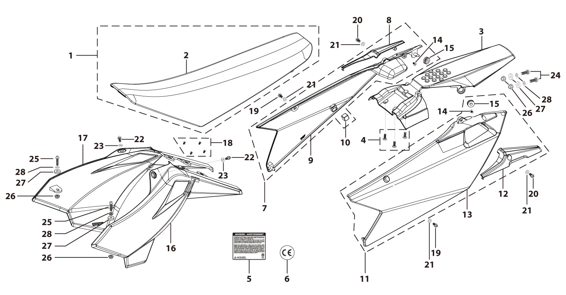
N° | Ref. | Description | Français | Picture | Qty/Bike | Rep. Pst.
1 | YC110-1401-11 | Seat assy BIGY | Selle BIGY |  | 1
2 | YC110-1414-01 | Seat cover BIGY | Housse selle BIGY |  | 1
3 | YC110-14-019-BK | Rear fender BIGY 2017 Black | Garde boue arrière BIGY 2017 Noir |  | 1
4 | GB819-M6x12-W | Countersunk cross head machine screw ,steel, M6x12mm | Vis à tête fraisée plate cruciforme ,acier,M6x12mm |  | 3
7 | YC110-14-029-BK | BIGY right side plastic assy 2017 BLACK | plaque latérale droite BIGY 2017 NOIR |  | 1
8 | YC110-1428-02-BK | Handle right side BIGY Black | Poignee plaque laterale droite Bigy |  | 1
10 | YC110-14-03 | Cushion for right side plastic Black | caoutchouc plaque laterale droite Noir |  | 1
11 | YC110-14-049-BK | BIGY left side plastic assy 2017 BLACK | plaque latérale gauche BIGY 2017 NOIR |  | 1
12 | YC110-1429-02-BK | Handle left side BIGY Black | Poignee plaque laterale gauche Bigy |  | 1
14 | GB819-M5x10-W | Countersunk cross head machine screw,steel, M5x10mm | Vis à tête fraisée plate cruciforme,acier, M5x10mm |  | 2
...
N° | Ref. | Description | Français | Picture | Qty/Bike | Rep. Pst.
20 | BT08-M6x16-W | HEXAGON Torx screw with Flange M6x16mm | Vis HEXAGONALE Torx avec Flange M6x16mm |  | 2
21 | GB97-d6-W | Flat washer,steel d6mm | Rondelle plate,acier d6mm |  | 4
22 | FB5787-M5x12-W | hex.Bolt with flanged M5x12mm | Vis M5x12mm |  | 2
23 | GB97-d5-W | Flat washer,steel d5mm | Rondelle plate,acier d5mm |  | 2
24 | BT08-M6x20-W | HEXAGON Torx screw with Flange M6x20mm | Vis HEXAGONALE Torx avec Flange M6x20mm |  | 2
25 | BT08-M6x25-W | HEXAGON Torx screw with Flange M6x25mm | Vis HEXAGONALE Torx avec Flange M6x25mm |  | 2
26 | GB6177-M6-W | HEXAGON FLAT FLANGE NUT M6 steel | Ecrou HEXAGONAL avec Flange M6 acier |  | 4
27 | YC110-03-01 | Rubber washer d6mmxd18mmx4mm for seat fixation on subframe | joint caoutchouc d6mmxd18mmx4mm pour fixation selie sur boucle acier |  | 4
28 | GB96-d6-W | Flat washer,steel d6mm | Rondelle plate,acier d6mm |  | 4
ELECTRIC |  |  |  |  |  | AB
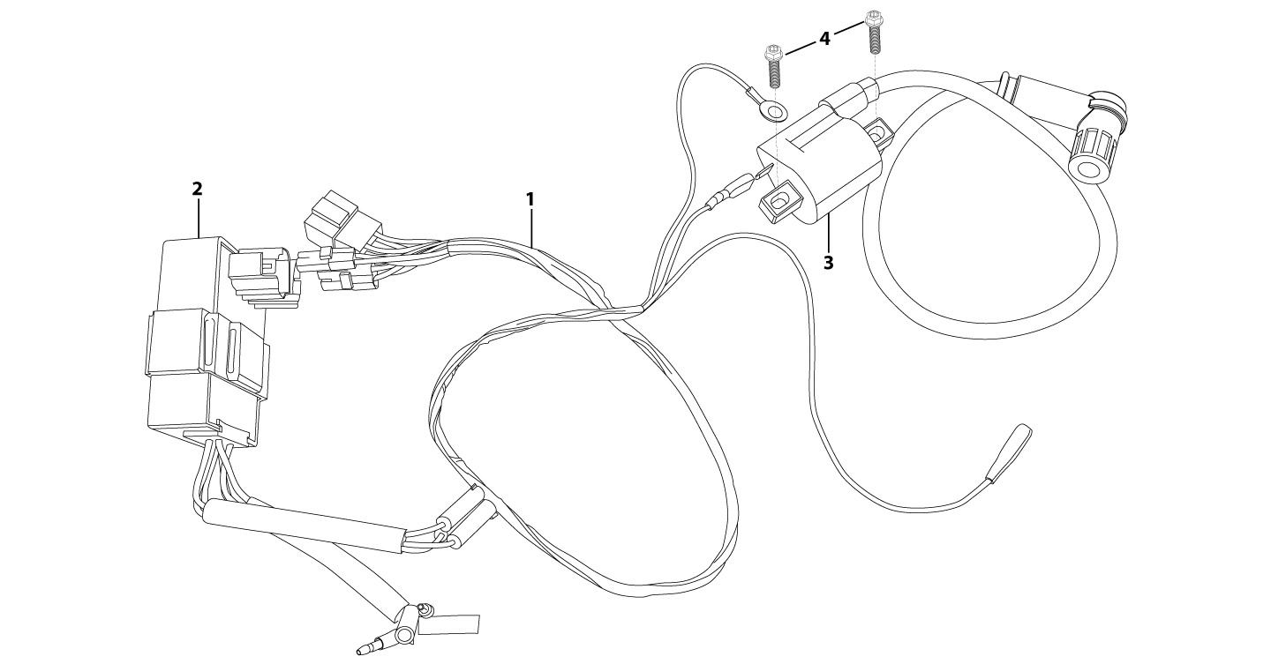
N° | Ref. | Description | Français | Picture | Qty/Bike | Rep. Pst.
1 | 86917 | WIRE HERNESS for ANIMA-FDX | FAISCEAU ELECTRIQUE |  | 1
2 | 86427 | BOX, CDI Engine 87244 for FDX, FLX by 2014 | CDI ANIMA 150 Engine 87244 for FDX, FLX by 2014 |  | 1
3 | 86426 | COIL, IGN ITION L=500mm | BOBINE D'ALLUMAGE L=500mm |  | 1
4 | BT08-M6x16-W | HEXAGON Torx screw with Flange M6x16mm | Vis HEXAGONALE Torx avec Flange M6x16mm |  | 2
Frame |  |  |  |  |  | AB
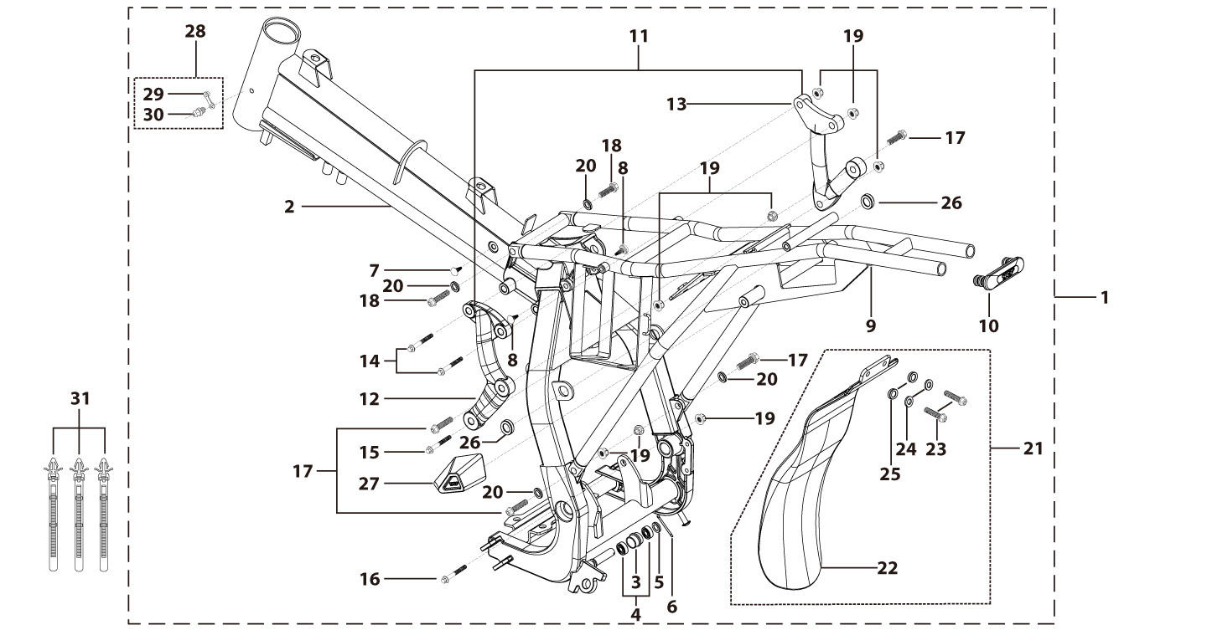
N° | Ref. | Description | Français | Picture | Qty/Bike | Rep. Pst.
1 | YC110-1621-0201-BK | Complete frame BIGY 2020 swing arm axle d15 mm Black | Cadre complet BIGY 2020 axe bras d15 mm Noir |  | 1
2 | YC110-1601-0401-BK | Chromoly steel frame BIGY 2020 Black swing arm axle d15 mm | Cadre acier chromoly BIGY 2020 Noir axe bras d15 mm |  | 1
3 | YC110-2201-02 | YCF Chain tensioner component Nylon 2020 | Roulette chaine YCF 2020 Nylon |  | 1
5 | GB97-d10-W | Flat washer,steel d10mm | Rondelle plate,acier d10mm |  | 1
6 | GB91-d2x25-W | Split pin d2.0mmx25mm | Goupille d2.0mmx25mm |  | 1
7 | YC110-1607-02 | Inverse tooth gel nail | Caps pour cadre |  | 1
8 | YC110-1607-03 | Inverse tooth gel nail | Caps pour cadre |  | 2
9 | YC110-1614-08-BK | Subframe PART STEEL BIGY Black | Boucle arriere de cadre acier BIGY Noir |  | 1
10 | YC110-1633-0101 | Rubber plug for SUBFRAME part BIGY | Embout Caoutchouc YCF boucle arriere BIGY |  | 1
...
N° | Ref. | Description | Français | Picture | Qty/Bike | Rep. Pst.
20 | YC110-0834-01 | Nord Lock M for Frame pads d8.5mmxd13mmx2mm | Nord Lock Boucle arriere |  | 4
21 | YC110-0460-01 | Complete Rear shock absorber rubber protection | Bavette caoutchouc Complete |  | 1
23 | BT08-M6x20-W | HEXAGON Torx screw with Flange M6x20mm | Vis HEXAGONALE Torx avec Flange M6x20mm |  | 2
24 | GB96-d6-W | Flat washer,steel d6mm | Rondelle plate,acier d6mm |  | 2
25 | YC110-03-01 | Rubber washer d6mmxd18mmx4mm for seat fixation on subframe | joint caoutchouc d6mmxd18mmx4mm pour fixation selie sur boucle acier |  | 2
26 | YC110-1404-01 | Rubber plug Hoop for muffler d8.2mmxd20.2mmx9mm Black | caoutchouc plaque laterale d8.2mmxd20.2mmx9mm Noir |  | 2
27 | YC110-1634-01 | Cover rubber for left muffler connexionBIGY | Cache Caoutchouc Connexion Silencieux Gauche Bigy |  | 1
28 | YC110-1635 | Complete grease nozzle | Buse à graisse complète |  | 1
31 | YC110-01-08-BK | Cable tie, PA66 L=80mm ADJUSTABLE Black | Collier maintien cable,PA66 L=80mm ADJUSTABLE Noir |  | 3
GRAPHICS |  |  |  |  |  | AB
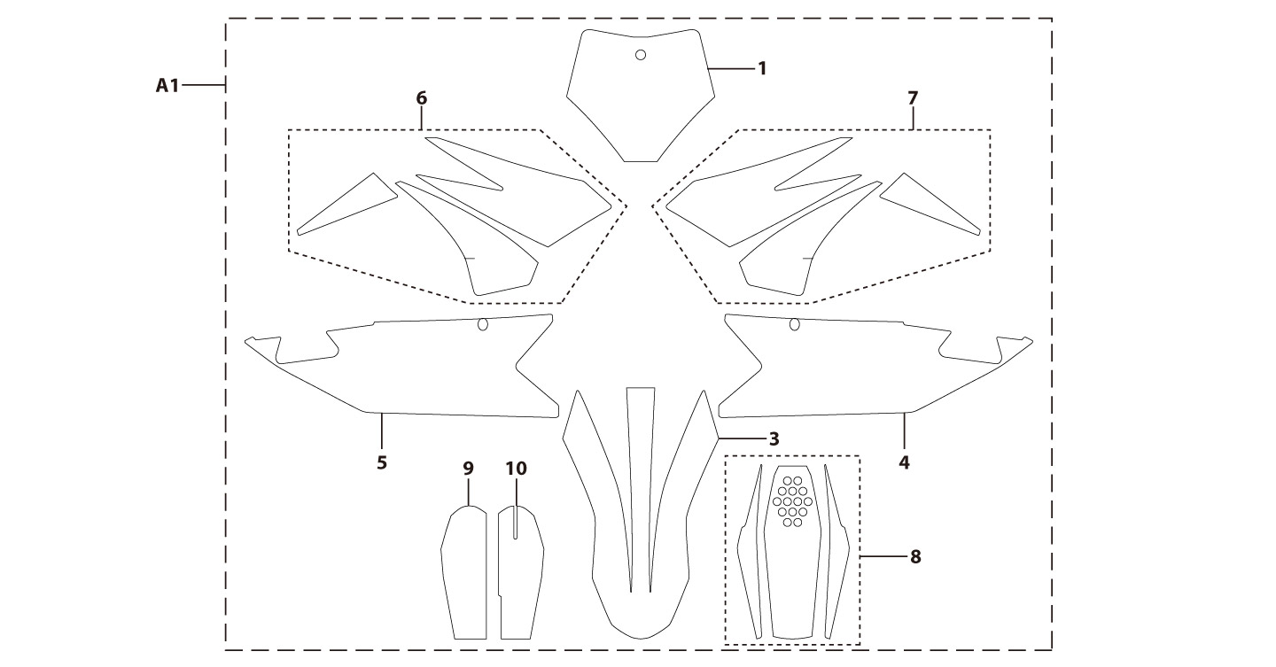
N° | Ref. | Description | Français | Picture | Qty/Bike | Rep. Pst.
A 1 | KDBIGYFD190XL2024 | BIGY FACTORY DAYTONA FD190 XL MX complete graphic kit 2024 | Kit deco complet BIGY FACTORY DAYTONA FD190 XL MX 2024 |  | 1
ENGINES |  |  |  |  |  | AB
N° | Ref. | Description | Français | Picture | Qty/Bike | Rep. Pst.
1 | 81244 | Engine Daytona 190cc 4 Valves SYS | Moteur Daytona ANIMA 190cc 4 valves SYS |  | 1
2 | YC110-2004-01-MG | Complete YCF Crankcase Cover, LH for kick start engine MAGNESIUM | CARTER ALLUMAGE complet YCF pour moteur demarage avec kick MAGNESIUM |  | 1
4 | YC110-1803-02-BK | YCF BI-MATERIEL Front Sprocket plastic cover for kick start engine | Protection COMPOSITE YCF PSB pour moteur demarage avec kick |  | 1
5 | YC110-2014-01-BK | YCF Aluminium Cap Big View Hole BLACK | Bouchon carter allumage CNC YCF NOIR |  | 1
6 | YC110-2019 | O-Ring d22x1.9 | Joint toriqued22x1.9 |  | 1
7 | GB5787-M6x40-Cr | HEXAGON screw with Flange M6x40mm Cr | Vis HEXAGONALE avec Flange M6x40mm Cr |  | 1
...

